Setup Guide
Setup Guide: How to Run Any Script in Dynamo
The steps are the same for all six scripts. Only the number of inputs and the values change. The picture shows the 3 parts you will build: Code Blocks, one Python Script node, and a Watch node.

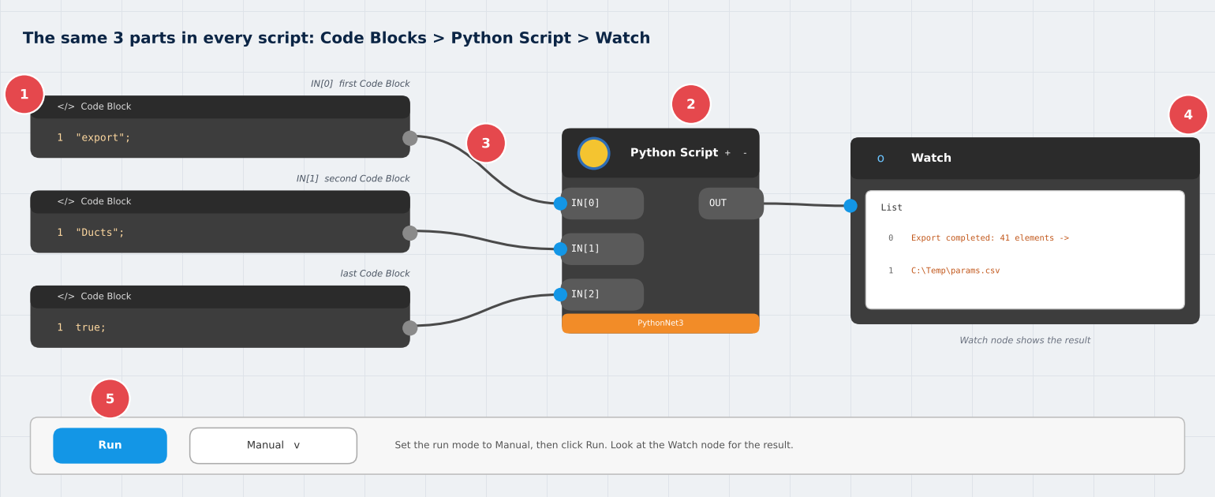

Picture: 1 Code Blocks (one for each input) 2 Python Script node (paste the script here) 3 Wires (Code Block 1 to IN[0], Code Block 2 to IN[1], and so on) 4 Watch node (shows the result) 5 Run button (set to Manual).

The 7 steps
Step | What to do | Tip
1 Open Dynamo | Open your project in Revit (a copy is best). Go to the Manage tab and click Dynamo. In Dynamo choose File > New. | Open Dynamo from Revit. Dynamo Sandbox from the Start menu cannot see your Revit model.
2 Add a Python Script node | Search for "Python Script" in the library on the left and drag it onto the canvas. Click the + on the node until it has as many inputs as the script needs. | Each script sheet says how many inputs it needs. A new node starts with 1 input.
3 Add one Code Block per input | Double-click empty canvas, type the value, and press Ctrl+Enter or click outside. Make one Code Block for each input. | Text needs quotes: "Ducts"; Paths need double backslashes: "C:\\Temp\\params.csv"; True has no quotes: true;
4 Wire the inputs in order | Drag from the right side of the first Code Block to IN[0], the second to IN[1], and so on. | The order matters. A value on the wrong port gives errors or null.
5 Paste the script | Double-click the Python node. Delete the default code (Ctrl+A, then Delete). Paste the script. Click Save Changes. | The first line must be: # -*- coding: utf-8 -*- Nothing may come before it.
6 Add a Watch node and run | Search for "Watch" and drag it onto the canvas. Connect the OUT port of the Python node to the Watch node. At the bottom left set the run mode to Manual, then click Run. | Manual mode stops Dynamo from running the script again and again.
7 Running it again | If you change the model in Revit and click Run, Dynamo may not run the node again because its inputs did not change. Change the last Code Block to false; and Run, then change it back to true; and Run again. | Clicking Save Changes in the Python node also forces a new run.

Writing values in a Code Block
Kind of value | How to type it | Example
Text | Inside double quotes, then a semicolon | "Ducts";
List of text | Square brackets, quotes around each item | ["Mark", "Comments"];
Empty list | Two square brackets | [];
File path | Double backslashes | "C:\\Temp\\params.csv";
Number | Just the number | 300;
True or false | Lowercase, no quotes | true;

1 Parameter Manager
1. Parameter Manager
Export parameter values for a category to a CSV file, edit them in Excel, then import the changes back into Revit. Useful for filling Mark, Comments, System Name and other parameters across many elements.

Model: Changes the model when you import. Export does not change anything.
Script file: parameter_manager.py (on the website page, with Copy and Download buttons)

A. Inputs: what to type in each Code Block
Port | What it is | Value to type in the Code Block
IN[0] | Mode | "export"; or "import";
IN[1] | Category | "Ducts";
IN[2] | CSV file path | "C:\\Temp\\params.csv";
IN[3] | Parameter names to export or import | ["Mark", "Comments"];
IN[4] | Run toggle | true;

B. Pictures

Picture: the round trip. Export, edit in Excel, import.

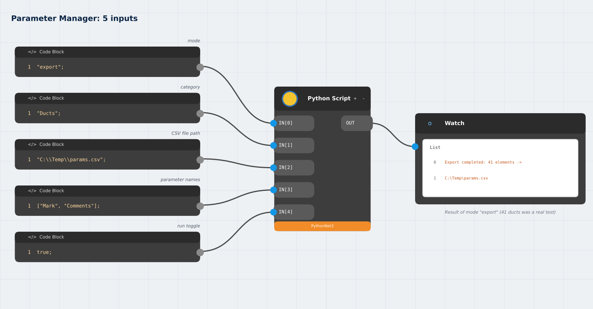

Picture: the Dynamo graph with mode "export". For the import step change only the first Code Block to "import";

C. Procedure: do these steps in order
Step | What to do
Step 1 | Build the graph in the picture: 5 Code Blocks, one Python Script node with 5 inputs, and a Watch node. Paste parameter_manager.py into the Python node and click Save Changes.
Step 2 | Set the first Code Block to "export"; and click Run. The Watch node shows how many elements were written. The file C:\Temp\params.csv is created.
Step 3 | Open params.csv in Excel. Edit the parameter columns, for example Comments. DO NOT delete or change the ElementId column.
Step 4 | Save as CSV UTF-8 (Comma delimited). If Excel asks to replace the file, choose Replace. If it asks to keep the format, choose Yes. Then CLOSE Excel, because an open file is locked.
Step 5 | Back in Dynamo change the first Code Block to "import"; and click Run. The Watch node shows how many values were updated and skipped.
Step 6 | Check in Revit: Manage > Inquiry > Select by ID, type an ElementId from the CSV, and look at the parameter in Properties.
Step 7 | To undo the import, press Ctrl+Z once in Revit.

D. What you should see in the Watch node
Export: Export completed: 41 elements -> C:\Temp\params.csv
Import: Import completed: 4 values updated, 0 skipped, 0 elements not found (example)

E. Good to know
- Only values that are different from the model are written.
- Read-only parameters and invalid values are skipped and listed in the Watch node.
- The whole import is one step. If an error happens, everything is rolled back.
- Numbers with units use your project display units, for example millimetres.
- Excel can change values such as 007 into 7. Check these before you import.
- Categories: Ducts, Duct Fittings, Duct Accessories, Air Terminals, Pipes, Pipe Fittings, Pipe Accessories, Mechanical Equipment, Plumbing Fixtures, Electrical Equipment, Electrical Fixtures, Lighting Fixtures, Cable Trays, Conduits, Sprinklers, Rooms, Spaces.

2 Model Checker
2. Model Checker
A QA check that never changes the model. It writes every problem it finds to a CSV report that you can filter in Excel.

Model: Read-only. It does not change the model.
Script file: model_checker.py (on the website page, with Copy and Download buttons)

What it checks
Item | Meaning
EMPTY PARAMETER | A required parameter does not exist on the element, or has no value.
NOT TAGGED | The element has no tag in any view. Rooms and Spaces are skipped.
DUPLICATE | Two elements of the same type at the same location. This check is experimental. Confirm what it reports before you delete anything.

A. Inputs: what to type in each Code Block
Port | What it is | Value to type in the Code Block
IN[0] | Categories to check | ["Ducts", "Pipes"];
IN[1] | Required parameters | ["Mark", "Comments"];
IN[2] | Report file path | "C:\\Temp\\model_check.csv";
IN[3] | Run toggle | true;

B. Pictures

Picture: find problems, fix them in Revit, check again.

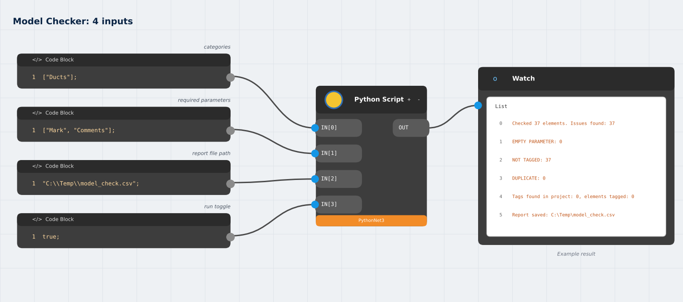

Picture: the Dynamo graph. The Watch node shows an example result.

C. Procedure: do these steps in order
Step | What to do
Step 1 | Build the graph in the picture: 4 Code Blocks, one Python Script node with 4 inputs, and a Watch node. Paste model_checker.py and click Save Changes.
Step 2 | Click Run. The Watch node shows how many elements were checked and a count for each check.
Step 3 | Look at the line 'Tags found in project'. If it says 0 but you have tags, tell us. Tags in linked models are not counted.
Step 4 | Open C:\Temp\model_check.csv in Excel. Filter the Check column. Each row has the ElementId, category, type and a detail message.
Step 5 | Find an element: Manage > Inquiry > Select by ID in Revit. Fix the problem, for example type the missing Mark.
Step 6 | Run again. If the numbers do not change, set the last Code Block to false; and Run, then back to true; and Run.

D. What you should see in the Watch node
Checked 37 elements. Issues found: 37
EMPTY PARAMETER: 0 NOT TAGGED: 37 DUPLICATE: 0
Tags found in project: 0, elements tagged: 0
Report saved: C:\Temp\model_check.csv (all example numbers)

E. Good to know
- A real test showed NOT TAGGED: 0 after Tag All, and 37 after the tags were deleted.
- Tags must be Revit tags. Other annotation types are not counted as tags.
- Start with one category. Checking many categories at once takes longer.

3 Auto-Tagger
3. Auto-Tagger
Tags every untagged element of the chosen categories in the active view. Elements that already have a tag in that view are skipped.

Model: Changes the model (adds tags). Ctrl+Z removes all new tags in one step.
Script file: auto_tagger.py (on the website page, with Copy and Download buttons)

A. Inputs: what to type in each Code Block
Port | What it is | Value to type in the Code Block
IN[0] | Categories | ["Ducts", "Air Terminals"];
IN[1] | Position: "middle" puts the tag on the element with no leader. "offset" puts it beside the element with a leader. | "middle"; or "offset";
IN[2] | Offset distance in millimetres. Only used by "offset". | 300;
IN[3] | Run toggle | true;

B. Pictures
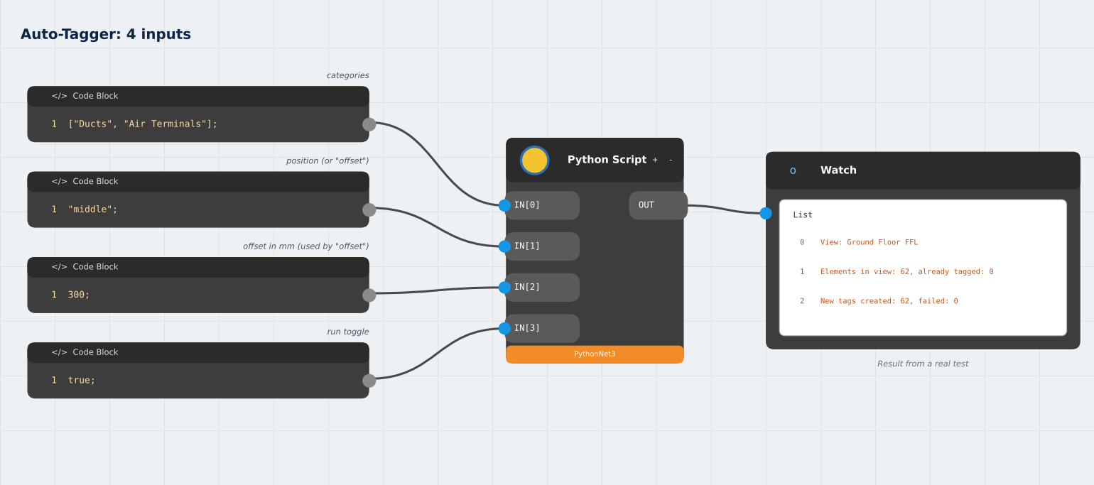

Picture: the Dynamo graph. The Watch result is from a real test in Ground Floor FFL.

C. Procedure: do these steps in order
Step | What to do
Step 1 | In Revit open a plan, section or elevation view and keep it active. The script tags in whichever view is open. It does not work in a 3D view.
Step 2 | Load the tag families you need: Insert > Load Family > Annotations > MEP. For example Duct Tag and Air Terminal Tag.
Step 3 | Build the graph in the picture: 4 Code Blocks, one Python Script node with 4 inputs, and a Watch node. Paste auto_tagger.py and click Save Changes.
Step 4 | Click Run. The Watch node shows the view name, how many elements are in the view, how many were already tagged, and how many new tags were created.
Step 5 | Look at the view in Revit. If the tags overlap, press Ctrl+Z once, set the position Code Block to "offset"; and run again.
Step 6 | Run Model Checker again. NOT TAGGED should go down for this view.

D. What you should see in the Watch node
View: Ground Floor FFL
Elements in view: 62, already tagged: 0
New tags created: 62, failed: 0 (real test result)

E. Good to know
- Use one position at a time. Do not run "middle" and "offset" on top of each other.
- Tags are made in the active view only. Run it again in each view that needs tags.
- If Tags fail to create, the tag family for that category is not loaded.
- The script stops without tagging if the view has tags but their elements cannot be read, to avoid double tagging.

4 Quantity Takeoff
4. Quantity Takeoff (BOQ)
Counts elements and adds up lengths and areas, grouped by category, family and type, and any parameters you choose. The result is a CSV file that opens in Excel.

Model: Read-only. It does not change the model.
Script file: quantity_takeoff.py (on the website page, with Copy and Download buttons)

Report columns
Item | Meaning
Category, Family and Type | One row for each group.
Your group parameters | For example Size and System Type. Elements with the same values share a row.
Count | Number of elements in the group.
Total Length (m) | Filled for ducts, pipes, cable trays and conduits. Blank for fittings, equipment and terminals.
Total Area (m2) | Surface area. Filled for ducts and pipes.

A. Inputs: what to type in each Code Block
Port | What it is | Value to type in the Code Block
IN[0] | Categories | ["Ducts", "Pipes", "Duct Fittings", "Air Terminals"];
IN[1] | Group by these parameters. Use [] to group by family and type only. | ["Size", "System Type"];
IN[2] | Report file path | "C:\\Temp\\boq.csv";
IN[3] | Run toggle | true;

B. Pictures
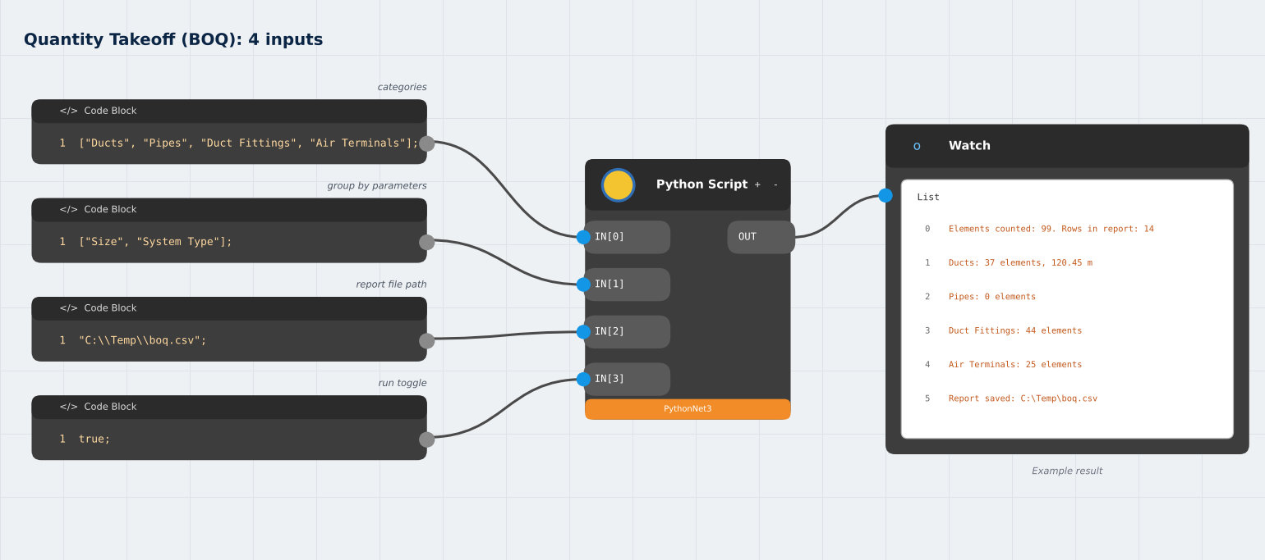

Picture: the Dynamo graph. The Watch node shows an example result.

C. Procedure: do these steps in order
Step | What to do
Step 1 | Build the graph in the picture: 4 Code Blocks, one Python Script node with 4 inputs, and a Watch node. Paste quantity_takeoff.py and click Save Changes.
Step 2 | Click Run. The Watch node shows the elements counted and the total length for each category.
Step 3 | Open C:\Temp\boq.csv in Excel. A TOTAL row follows each category.
Step 4 | Check one number: select a duct in Revit and compare its Length in Properties with the report.
Step 5 | If the Size or System Type column is empty, the parameter name does not match your project. Type the exact name shown in Properties.

D. What you should see in the Watch node
Elements counted: 99. Rows in report: 14
Ducts: 37 elements, 120.45 m
Report saved: C:\Temp\boq.csv (example numbers)

E. Good to know
- Lengths are always in metres and areas in square metres, whatever your project units are.
- The group parameter names must match the project exactly.
- Open the CSV and check a few rows against Revit before you use it for a bill of quantities.

5 Sheet and View
5. Sheet and View Automation
Creates a floor plan view for each level, creates a sheet for each view, and places the view in the middle of its sheet.

Model: Changes the model (adds views and sheets). Ctrl+Z removes them in one step.
Script file: sheet_view_automation.py (on the website page, with Copy and Download buttons)

A. Inputs: what to type in each Code Block
Port | What it is | Value to type in the Code Block
IN[0] | View name prefix. The view name is the prefix plus the level name. | "HVAC - ";
IN[1] | View template name. Empty means none. | "";
IN[2] | Title block type name. Empty uses the first one found. | "";
IN[3] | First sheet number. The next sheets count up from it. | "M-101";
IN[4] | Levels. Use [] for all levels. | ["Ground Floor FFL"];
IN[5] | Run toggle | true;

B. Pictures
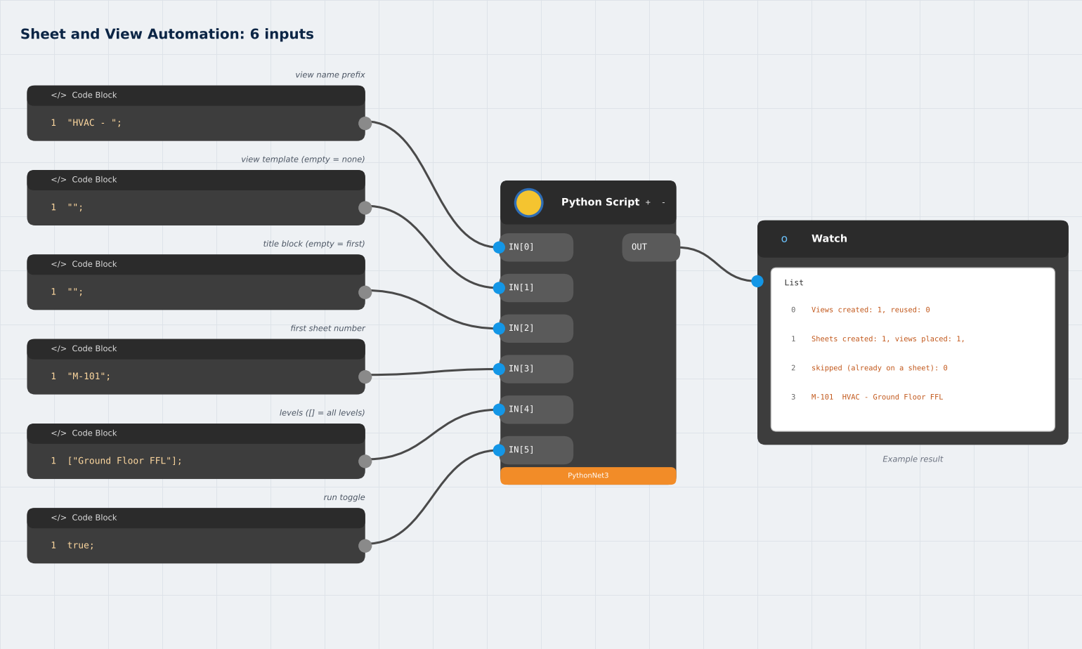

Picture: the Dynamo graph with one level. The Watch node shows an example result.

C. Procedure: do these steps in order
Step | What to do
Step 1 | Work in a COPY of the project. Load at least one title block family.
Step 2 | Build the graph in the picture: 6 Code Blocks, one Python Script node with 6 inputs, and a Watch node. Paste sheet_view_automation.py and click Save Changes.
Step 3 | For the first test use ONE level, for example ["Ground Floor FFL"];. Text in the list needs quotes.
Step 4 | Click Run. The Watch node lists the views created or reused and each sheet number with its name.
Step 5 | Open the sheets in Revit (Project Browser > Sheets). Check the view position and the title block.
Step 6 | To use every level, change the levels Code Block to [];
Step 7 | To undo everything, press Ctrl+Z once in Revit.

D. What you should see in the Watch node
Views created: 1, reused: 0
Sheets created: 1, views placed: 1, skipped (already on a sheet): 0
M-101 HVAC - Ground Floor FFL (example)

E. Good to know
- If the levels Code Block is red, the quotes are missing. The input is then null and the script stops with a message.
- A view with the same name is reused, not created again.
- A view that is already on a sheet is skipped.
- Sheet numbers that are already used are skipped, and the next free number is used.
- A real test with an unquoted level name created 6 views and 6 sheets (M-101 to M-106). Always check the levels input.

6 Batch Sheet Maker
6. Batch Sheet Maker
Write your sheet list in Excel and create all the sheets at once. Each row can also place a view or schedule on the sheet and fill sheet parameters such as Drawn By.

Model: Changes the model (adds sheets). Ctrl+Z removes them in one step.
Script file: batch_sheet_maker.py (on the website page, with Copy and Download buttons)

CSV columns
Item | Meaning
SheetNumber | Required. For example M-101.
SheetName | Required. For example Ground Floor HVAC Plan.
TitleBlock | Optional. Title block type name. Empty uses the default from IN[2].
View | Optional. Exact name of a view or schedule to place on the sheet.
Any other column | A sheet parameter to fill, for example Drawn By or Checked By. The name must match the parameter.

A. Inputs: what to type in each Code Block
Port | What it is | Value to type in the Code Block
IN[0] | Mode | "template"; or "create";
IN[1] | CSV file path | "C:\\Temp\\sheets.csv";
IN[2] | Default title block. Empty uses the first one found. | "";
IN[3] | Run toggle | true;

B. Pictures

Picture: write the list in Excel, then create the sheets.



Picture: the Dynamo graph with mode "template". For the create step change the first Code Block to "create";

C. Procedure: do these steps in order
Step | What to do
Step 1 | Build the graph in the picture: 4 Code Blocks, one Python Script node with 4 inputs, and a Watch node. Paste batch_sheet_maker.py and click Save Changes.
Step 2 | Set the mode to "template"; and click Run. A starter file C:\Temp\sheets.csv is written, and the Watch node lists the title blocks in your project.
Step 3 | Open sheets.csv in Excel. Replace the 2 sample rows with your sheet list. Add columns for sheet parameters if you need them.
Step 4 | Save as CSV UTF-8 and CLOSE Excel.
Step 5 | Change the mode to "create"; and click Run. The Watch node shows how many sheets were created and views placed.
Step 6 | Check Project Browser > Sheets in Revit. Ctrl+Z removes all the new sheets.

D. What you should see in the Watch node
Sheets created: 2, views placed: 1, sheet parameters set: 2 (example)
Problems are listed below this line, for example: Row 3: sheet M-101 already exists, skipped

E. Good to know
- Every row is checked before anything is created. Problems are listed in the Watch node.
- A sheet number that already exists is skipped.
- A view that is already on another sheet is not moved. The Watch node tells you.
- Start with 2 or 3 rows before you make a long list.

